Sheet1
 |  | Datos
 | P0 = | 5.00E+05 | Pa
 | P3 = | 3.00E+05 | Pa
 | T0 = | 293 | K
 | g = | 1.4
 | R = | 8.314 | m2/s2 mol K
 | P.M. = | 0.0289 | kg/mol
 | DINT. = | 0.0266 | m | >> | A = | 5.57E-04 | m2 |  | fT = | 0.024
>> | v0 = | 0.1686 | m3/kg
 | LEQ = | 40.00 | m

 | Lapple: | N = | 35
>> |  | P3 / P0 = | 6.00E-01

 | grafica --> | G / G* = | 0.21 | >> | (w / A)LAPPLE = | 2.48E+02 | kg/s.m2 | >> | wLAPPLE = | 1.38E-01 | kg/s
 |  |  |  | >> | X = | 2.07E-02
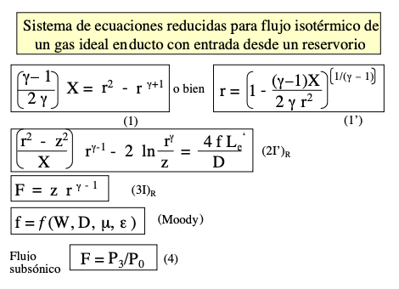
 |  |  |  |  | Ruta: | X | r | Z | X*
 |  |  |  |  | it 1 | 0.02067660108 | 0.99252063464 | 0.60180450235 | 1.68E-02
 |  |  |  |  | it 2 | 1.68E-02 | 0.99394802847 | 0.60145865634 | 1.69E-02

 |  |  |  |  |  | it 1 | it 2
 |  |  |  |  | ec (1) | -2.4502622153E-12 | 5.33E-15 | << | solver
 |  |  |  |  | F = | 6.00E-01 | 0.6
 |  |  |  |  | ec (3) -> Z | 0.60180450235 | 0.60145865634
 |  |  |  |  | ec (2) -> X* | 1.68E-02 | 1.69E-02

 |  |  |  |  |  |  | (w / A)ISO = | 223.03160219 | kg/s.m2
 |  |  |  |  |  |  | wISO = | 1.24E-01 | kg/s

